Model
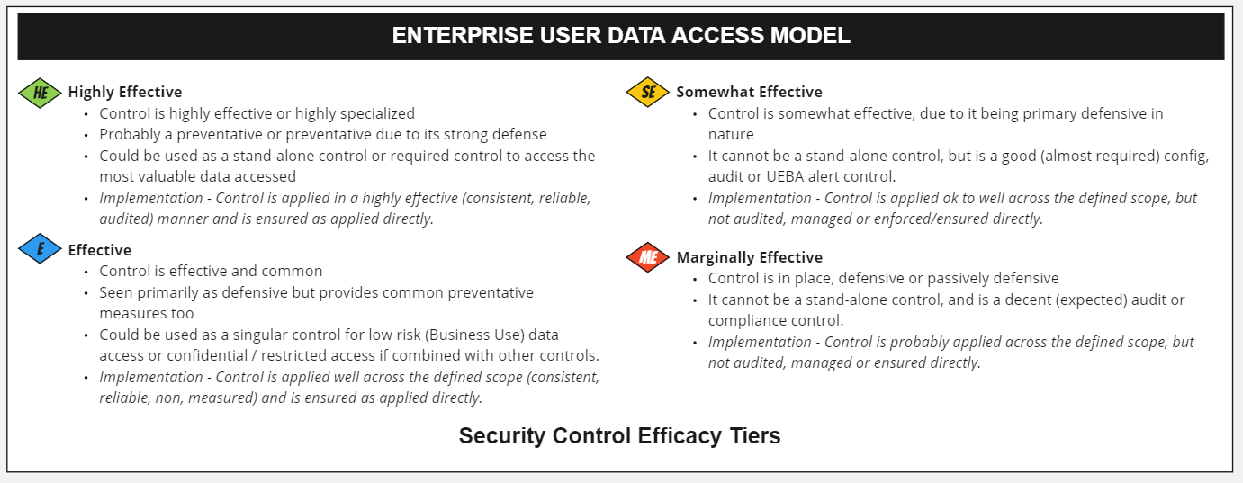
 |  |  | Client Accessing Their Own Health Records
Security Control Category | Security Control | Security Control Efficacy Tier | Control Implemenation Efficacy | Score
Account | Whitelisted User Group | E | HE | 8
Account | Username/PWD | E | HE | 8
Account | Separate Isolated Identity | HE | ME | 2
Account | Managed Complexity | SE | HE | 4
Account | Managed PWD Reset Frequency | SE |  | 0
Account | Managed PWD Repeat | SE | HE | 4
Account | Managed Account Phishing/Breach | E |  | 0
Account | Monitored Anamoly/Fraud | E | ME | 1
Account | Qtrly Audit Req'd | ME |  | 0
Device | Trusted - Cookie | SE | HE | 4
Device | Managed - EPP | E |  | 0
Device | Required Physical Location | HE |  | 0
Device | Managed Vulnerability | E |  | 0
Device | Managed Certificate | ME |  | 0
Device | Managed Domain | SE |  | 0
Device | Managed - Managed Admin User | ME |  | 0
Device | Managed - Hardened (GPO/STIGs) | SE |  | 0
Device | Managed - Windows 10 (Compliant) | ME |  | 0
Device | Secure Workstation / Jump | HE |  | 0
DLP | Managed - HD Encrypted | E |  | 0
DLP | Controlled Print | E |  | 0
DLP | Controlled Save | E |  | 0
DLP | Controlled Screen Shot | SE |  | 0
Conditional | MFA | E | HE | 8
Conditional | MFA (Physical) | HE |  | 0
Conditional | KBA - Proof | E | HE | 8
Conditional | Session ReAuth Time | E | HE | 8
Conditional | Restricted Risky Geo Locations | ME |  | 0
Conditional | JIT(InLine @Time of) MFA | E |  | 0
 |  |  | 55

